Instructions
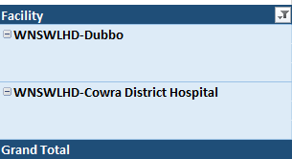
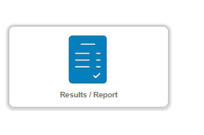
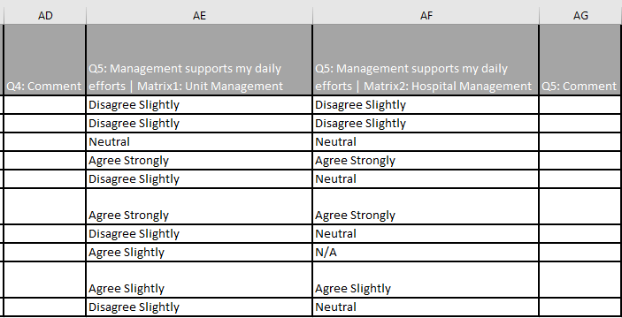
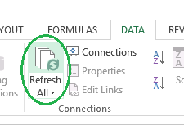
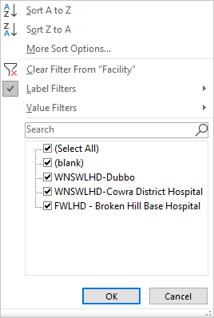
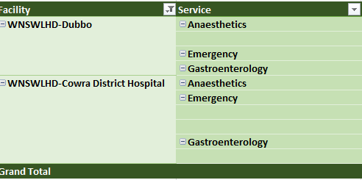
Instructions
1. Download raw data from Results/Report in QARS
2. Delete all comment questions from the raw data file:
3. Enter in the data for each case (e.g. each individual's completed survey.) in the Sheet "Raw_Data" in the second row highlighted in Orange, Important point to remember is when pasting data in the RawData tab instead of deleting the rows you should use "Clear contents" option. Please do not replace the data in the first row. You can copy and paste from the excel spreadsheet exported from QARS. RawData sheet has allowed for 10,000 respondents.
4. Questions 2, 11 and 36 have already been reverse scored within the QARS survey, so no further data manipulation is required.
5. Refresh the data in the Sheet Demographic_Summary by following the below steps
> Click on Data Tab --> Refresh All
> Click on the facility filters in both the tables and ensure all the listed facilities are selected including blank
6. Refresh the data in the Sheet Subscale_Score by following below steps
> Click on facility filter dropdown
> Ensure all the facilities in the filter are selected including blank and click OK to complete
> Do the same process as above for the service filter
7. The subscales will automatically calculate in the sheet Converted_Data.

Subscale_Score
Subscale Score
Facility | (All)
Service | (All)

Subscale scores
Subscale category |  | Score interpretation
Team Satisfaction | 41 | Poor
Safety Climate | 56 | Low average
Job Satisfaction | 54 | Low average
Stress Recognition | 60 | Medium Average
Perceptions of Management (Unit) | 53 | Low average
Perceptions of Management (Hospital) | 54 | Low average
Working Conditions | 48 | Poor

Score interpretation
80 and above | Excellent
70-79 | High average
60-69 | Medium average
50-59 | Low average
49 and below | Poor

TRUE

